RACI
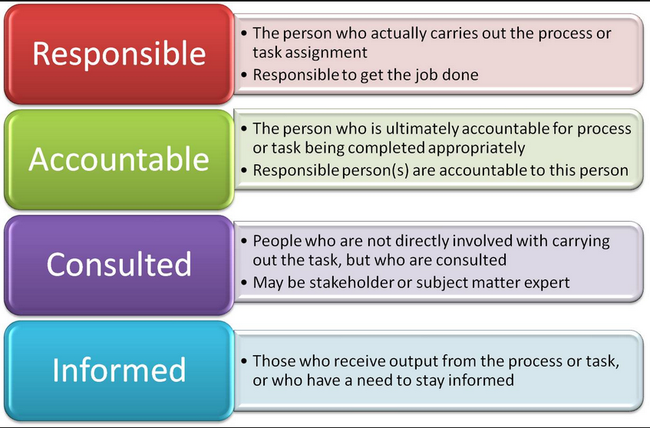
NetSuite SuiteSuccess RACI
Legend: R = Responsible, A = Accountable, C = Consulted, I = Informed
 | NetSuite Customer Success | ABIVAX
 | Project Team | Project Sponsor | Project Manager | System Administrator | Business Process Owners | Data Consultant
IMPLEMENTATION
Engage
Professional Services Introduction / Welcome Email | R/A/I | I | I
SuiteSuccess Industry Fundamentals Training | A/I | A | R | R
Chart of Accounts and Segmentation Review / Planning | I | A | R | C | C | I
Third party vendor identification | A/R/I | A | R | C | C | I
Entity Data cleansing, preparation for legacy system extraction | I | A | A | I | I | R
Drive
Project Kickoff | R/A | C | C | I | I
Third party vendor communication plan/rules of engagement | I/R/A | A | R | C | C | I
Prepare for Personalization Sessions | A/R/I | C | C | C
Project Plan Preparation | R/A/C | I | I
Personalization Sessions | A/R | A | R | C | C
Review & Prepare Data Migration Plan | A/I/R | A | A | I | I | R
Finalize Personalization Workbook | A/R |  | I
Checkpoint / Stage Readiness Meeting | R/A | R/A | R/A
Conduct User Adoption Overview Discussion | I/C/R | A | C | I | I | I
Define User Adoption & Project Vision | I/C/R | A | C | I | I | I
Identify Key Stakeholders | I/C/R | A | C | I | I | I
Develop Change Success Forecast | I/C/R | A | C | I | I | I
Personalization Configuration | A/R/I | I | I | C
Third party dependant NS configuration | A/R/I | I | A | C | C | C
SuiteSuccess Admin Fundamentals Training | A/I | A | R | R
Data Cleansing, Mapping, Readiness for Import | I/C |  | A |  | C | R
Import Chart of Accounts, Segmentation, Sample List Data | A/I/R | I | I | I |  | I
Unit Testing (Prepare for Walkthroughs) | A/I/R | I | I | I
Process Walkthrough Round 1 (Consultant Driven) | A/I/R | I | I | C | C
Planning / Scheduling Staff Training | A/I/R | A | R | I
User Acceptance Test Strategy / Plan | A/C | A | R | C | I
Checkpoint / Stage Readiness Meeting | R/A | R/A | R/A
Develop User Adoption & Communications Strategy | I/C/R | A | C | I | I | I
Define employee impacts | I/C/R | A | C | I | C | I
Enable
Process Walkthrough 2 (Customer Driven) | A/R/I | I | C | R | C
User Acceptance Testing | A/C/I | A | A | R | R
Production Final List (Master) Data Import | A/I/R | I | I | I |  | I
Key Users Training | A/I/R | A | R | I | C
End Users Training | A/I | A | R | I | C
Checkpoint / Stage Readiness Meeting | R/A | R/A | R/A
Execute User Adoption & Communications Strategy | I/C/R | A | C | I | I | I
Ongoing employee impact analysis execution | I/C/R | A | C | I | C | I
Convert
Final Data Migration Cutover
Opening, Historical Balances | A/I/R | I | I | I |  | I
Final List Data, Open Transactions | A/I/R | I | I | I |  | I
Begin entering transactions in NetSuite / Go Live | C/I | A | A | I | R
Optimize
Post Go-Live Support: Level 1 first contact for standard requests, give access to user, unlock user accounts, review access with en users, roles updates | C/I | I | A | R | C
Post Go-Live Support: Support included in the Fixed Bid (30 business days): issue mangement and resolution. | A/R | I | I | R | C
Checkpoint / Stage Readiness Meeting | R/A | R/A | R/A
Conduct End User Adoption Assessment | I/C/R | A | C | I | I | I
Customer Transition from Professional Services to Support | R/A/C | C | C | C |  | C
Project Closure | R/A/I | I | I
Post Go-Live Support: After project closure | Premium support hotline Advanced Customer Support | I | I | R/A | C

